Cover
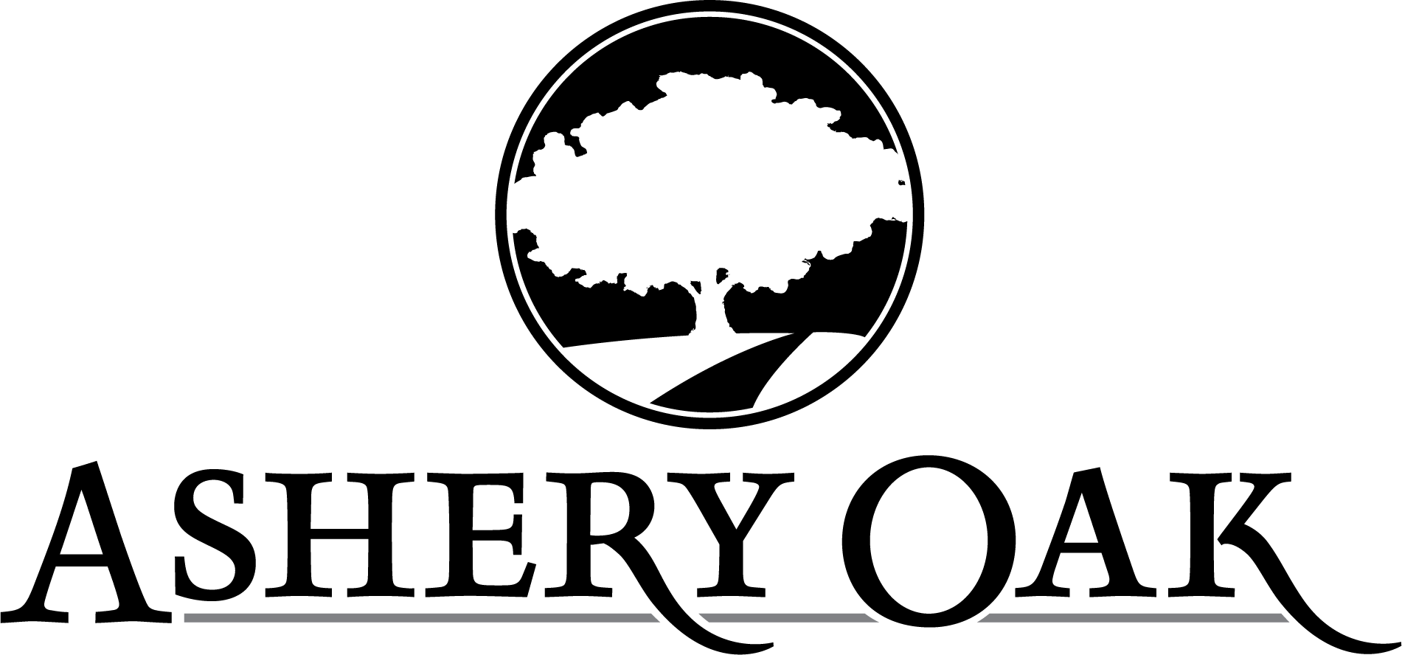

ASHERY OAK WHOLESALE PRICELIST

PRICES EFFECTIVE December 1st, 2025

Ashery Oak
8959 TR 652
Fredericksburg OH, 44627
ph: 330-946-2600
fax: 330-520-3330
email: John@Colburn.Me

